Sheet 1 (2)
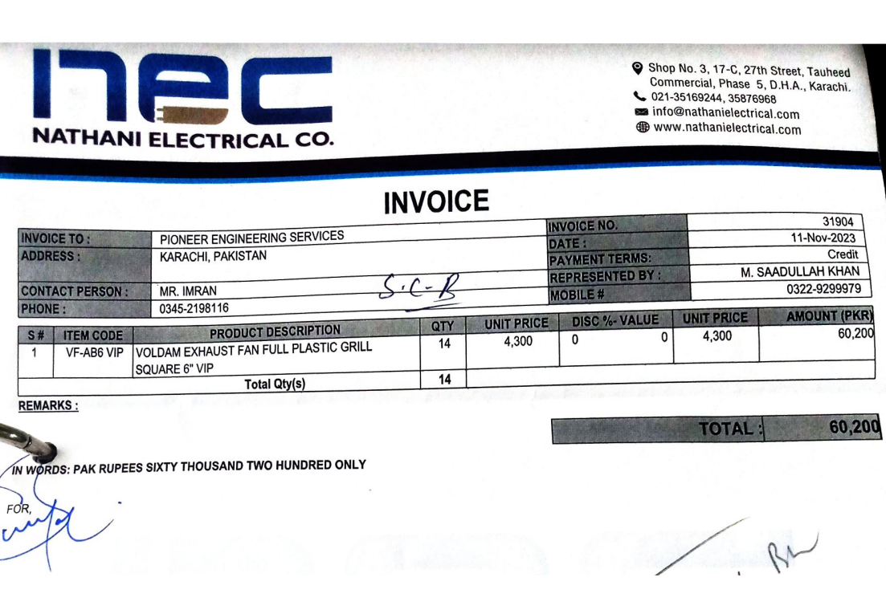
Dated: | 15-Nov-23
Project: | Construction of Standard Chartered bank at I.I Chundrigar Road karachi.

Rate Analysis of Exhaust Fans
S. # | Description | Unit | Quantity |  |  | Rate | Amount | Gross
 |  |  | Actual | Waste | Total
A MATERIAL.
1 | Supply of Exhaust fans | Nos | 14.00 |  | 14.00 | 4,300 | 60,200

 | Total. |  |  |  |  |  | 60,200 | 60,200
B LABOUR.
S. # | Description | Unit | Quantity |  |  | Rate | Amount | Gross
 |  |  | Actual | Waste | Total
1 | Installation of Exhaust Fans | Nos | 14.00 |  | 14.00 | 1,000 | 14,000

 | Total. |  |  |  |  |  | 14,000 | 74,200
C OTHER
S. # | Description | Unit | Quantity |  |  | Rate | Amount | Gross
 |  |  | Actual | Waste | Total

 | Total. |  |  |  |  |  | - | 74,200
 | Total Rs. |  |  |  |  |  |  | 74,200
Sub-Contractor Margin: |  |  | 25% |  |  |  |  | 18,550
Total Price |  |  |  |  |  |  |  | 92,750

